Part 4 - Government revenues
Part 4 (Government revenues) contains comprehensive data on government revenues per revenue stream, according to GFSM classification.
How to complete this sheet:
1. Enter the name of all government Revenue streams for the extractive sectors, including revenues that fall below agreed materiality thresholds (one row should be used for each individual revenue stream and individual governmant entity)
2. Enter the name of the receiving Government entity (choose using the dropdown list. It will appear there since you have already entered the government entitiy in Part 3).
3.Choose the Sector and the GFS Classification this revenue applies to. Use the guidance provided in the GFS Framework for EITI reporting. If a revenue stream cannot be disaggregated by sector, chose "Other".
4. In the Revenue value column, enter total figure of each revenue stream as disclosed by government, including revenues that were not reconciled.
Remember: Governments receipts from companies on behalf of their employees should be excluded (e.g personal income tax PAYE, employee social security contributions, withholding tax) because they are not considered payments from companies to government.
5. If there are any payments which are in the EITI Report, but cannot be matched with the GFS categories, please list them in the box below called "Additional information".
If you have any questions, please contact data@eiti.org

Total government revenues from extractive sector (using GFS) |  |  |  |  |  | GFS Framework for EITI Reporting
 |  |  |  |  |  | EITI Requirement 5.1.b: Revenue classification
EITI Requirement 4.1.d: Full government disclosure
GFS Classification | Sector | Revenue stream name | Government entity | Revenue value | Currency | What is GFS?
Excise taxes (1142E) | Mining | Excise tax on minerals | Bureau of Internal Revenue (BIR) | 4,188,272,651 | PHP | GFS, or Government Finance Statistics, is an international framework for categorising revenue streams so they are comparable across countries and time-periods. See full framework example below. The framework used below has been developped by the IMF and EITI International Secretariat. The letter E in the GFS codes means that these are codes only used for revenues from extractives companies. The digits to the right were specifically designed for extractive sector companies.
Ordinary taxes on income, profits and capital gains (1112E1) | Mining | Corporate income tax | Bureau of Internal Revenue (BIR) | 4,907,609,701 | PHP
Ordinary taxes on income, profits and capital gains (1112E1) | Mining | Final Withholding tax - Foreign shareholder dividends | Bureau of Internal Revenue (BIR) | 140,730,975 | PHP
Ordinary taxes on income, profits and capital gains (1112E1) | Mining | Final Withholding tax - Profit remittance to principal | Bureau of Internal Revenue (BIR) | - | PHP
Royalties (1415E1) | Mining | Final Withholding tax - Royalties to claim owners | Bureau of Internal Revenue (BIR) | 236,906,174 | PHP
Ordinary taxes on income, profits and capital gains (1112E1) | Mining | Final Withholding tax - Final | Bureau of Internal Revenue (BIR) | 248,829,294 | PHP | For more guidance, please visit https://eiti.org/summary-data-template
Extraordinary taxes on income, profits and capital gains (1112E2) | Mining | Final Withholding tax - Improperly accumulated retained earnings tax (IAET) | Bureau of Internal Revenue (BIR) | - | PHP | or, https://www.imf.org/external/np/sta/gfsm/
General taxes on goods and services (VAT, sales tax, turnover tax) (1141E) | Mining | Output VAT | Bureau of Internal Revenue (BIR) | - | PHP
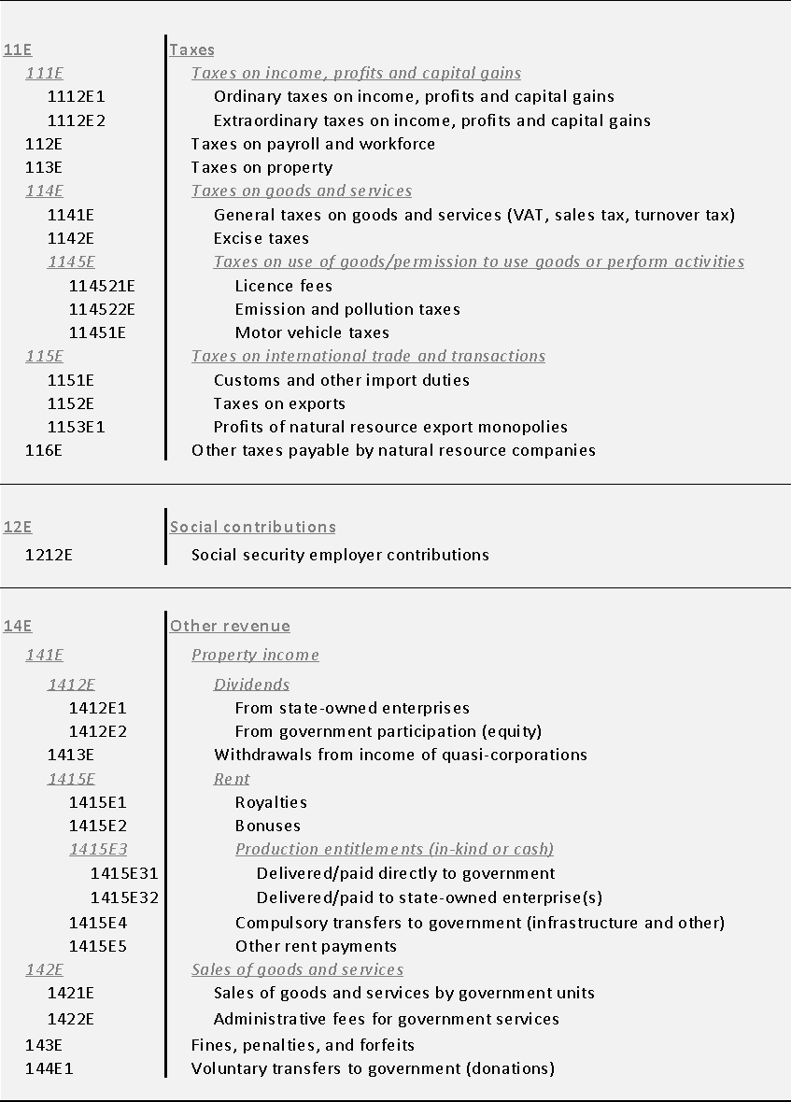
Customs and other import duties (1151E) | Mining | Customs duties | Bureau of Customs (BOC) | 189,522,622.00 | PHP
Customs and other import duties (1151E) | Mining | VAT on imported materials and equipment | Bureau of Customs (BOC) | 2,174,004,713.00 | PHP
Customs and other import duties (1151E) | Mining | Excise tax on imported goods | Bureau of Customs (BOC) | - | PHP
Customs and other import duties (1151E) | Mining | Wharfage Fees | Philippine Ports Authority (PPA) | 199,849,379 | PHP
Royalties (1415E1) | Mining | Royalty on mineral reservation | Mines and Geosciences Bureau (MGB) | 1,211,989,733.00 | PHP
Licence fees (114521E) | Mining | Occupation fees | Mines and Geosciences Bureau (MGB) | - | PHP
Licence fees (114521E) | Mining | Tax on sand, gravel and other quarry resources | Bureau of Local Government and Finance (BLGF) | - | PHP
Licence fees (114521E) | Mining | Local business tax (Head office) | Bureau of Local Government and Finance (BLGF) | 104,742,326.00 | PHP
Licence fees (114521E) | Mining | Local business tax (Mine site) | Bureau of Local Government and Finance (BLGF) | 924,007,740.00 | PHP
Taxes on property (113E) | Mining | Real property tax - Basic (Head office) | Bureau of Local Government and Finance (BLGF) | 2,613,942.00 | PHP
Taxes on property (113E) | Mining | Real property tax - Basic (Minesite) | Bureau of Local Government and Finance (BLGF) | 229,936,023 | PHP
Taxes on property (113E) | Mining | Real property tax - Special Education Fund (SEF) head office | Bureau of Local Government and Finance (BLGF) | 1,901,737.00 | PHP
Taxes on property (113E) | Mining | Real property tax - Special Education Fund (SEF) Mine site | Bureau of Local Government and Finance (BLGF) | 217,530,154.00 | PHP
Licence fees (114521E) | Mining | Occupation fees | Bureau of Local Government and Finance (BLGF) | - | PHP
Licence fees (114521E) | Mining | Mayor's permit | Bureau of Local Government and Finance (BLGF) | - | PHP
Other taxes payable by natural resource companies (116E) | Mining | Community tax | Bureau of Local Government and Finance (BLGF) | - | PHP
Royalties (1415E1) | Mining | Royalty for Indigenous People | National Commission on Indigenous People (NCIP) | 343,740,100.00 | PHP
Administrative fees for government services (1422E) | Mining | Field Based Investigation Fee | National Commission on Indigenous People (NCIP) | - | PHP
Excise taxes (1142E) | Oil & Gas | Excise tax on minerals | Bureau of Internal Revenue (BIR) | - | PHP
Ordinary taxes on income, profits and capital gains (1112E1) | Oil & Gas | Corporate income tax | Bureau of Internal Revenue (BIR) | 6,594,379,859.82 | PHP
Ordinary taxes on income, profits and capital gains (1112E1) | Oil & Gas | Final Withholding tax - Foreign shareholder dividends | Bureau of Internal Revenue (BIR) | - | PHP
Ordinary taxes on income, profits and capital gains (1112E1) | Oil & Gas | Final Withholding tax - Profit remittance to principal | Bureau of Internal Revenue (BIR) | 1,387,592,524.70 | PHP
Royalties (1415E1) | Oil & Gas | Final Withholding tax - Royalties to claim owners | Bureau of Internal Revenue (BIR) | - | PHP
Ordinary taxes on income, profits and capital gains (1112E1) | Oil & Gas | Final Withholding tax - Others | Bureau of Internal Revenue (BIR) | - | PHP
Extraordinary taxes on income, profits and capital gains (1112E2) | Oil & Gas | Final Withholding tax - Improperly accumulated retained earnings tax (IAET) | Bureau of Internal Revenue (BIR) | - | PHP
Customs and other import duties (1151E) | Oil & Gas | Customs duties | Bureau of Customs (BOC) | 7,884,014.00 | PHP
Customs and other import duties (1151E) | Oil & Gas | VAT on imported materials and equipment | Bureau of Customs (BOC) | - | PHP
Customs and other import duties (1151E) | Oil & Gas | Excise tax on imported goods | Bureau of Customs (BOC) | - | PHP
Customs and other import duties (1151E) | Oil & Gas | Wharfage Fees | Philippine Ports Authority (PPA) | - | PHP
Licence fees (114521E) | Oil & Gas | Tax on sand, gravel and other quarry resources | Bureau of Local Government and Finance (BLGF) | - | PHP
Licence fees (114521E) | Oil & Gas | Local business tax | Bureau of Local Government and Finance (BLGF) | 236,112.00 | PHP
Licence fees (114521E) | Oil & Gas | Local Business Tax Mine site | Bureau of Local Government and Finance (BLGF) | 217,530,154.00 | PHP
Taxes on property (113E) | Oil & Gas | Real property tax - Basic | Bureau of Local Government and Finance (BLGF) | 187,938.00 | PHP
Taxes on property (113E) | Oil & Gas | Real property tax - Basic | Bureau of Local Government and Finance (BLGF) | - | PHP
Taxes on property (113E) | Oil & Gas | Real property tax - Special Education Fund (SEF) | Bureau of Local Government and Finance (BLGF) | 125,292.00 | PHP
Licence fees (114521E) | Oil & Gas | Occupation fees | Bureau of Local Government and Finance (BLGF) | - | PHP
Licence fees (114521E) | Oil & Gas | Mayor's permit | Bureau of Local Government and Finance (BLGF) | - | PHP
Other taxes payable by natural resource companies (116E) | Oil & Gas | Community tax | Bureau of Local Government and Finance (BLGF) | - | PHP
Delivered/paid directly to government (1415E31) | Oil & Gas | Government share from oil and gas production | Department of Energey (DOE) | 26,221,176,016 | PHP
Other rent payments (1415E5) | Oil & Gas | Annual rental fees for retained area after exploration | Department of Energey (DOE) | - | PHP
Customs and other import duties (1151E) | Coal | Customs duties | Bureau of Customs (BOC) | 84,700,454 | PHP
Customs and other import duties (1151E) | Coal | VAT on imported materials and equipment | Bureau of Customs (BOC) | 259,527,517 | PHP
Customs and other import duties (1151E) | Coal | Excise tax on imported goods | Bureau of Customs (BOC) | 8,301,104 | PHP
Customs and other import duties (1151E) | Coal | Wharfage Fees | Philippine Ports Authority (PPA) | 36,224,739 | PHP
Licence fees (114521E) | Coal | Tax on sand, gravel and other quarry resources | Bureau of Local Government and Finance (BLGF) | - | PHP
Licence fees (114521E) | Coal | Local business tax | Bureau of Local Government and Finance (BLGF) | 41,638,508 | PHP
Licence fees (114521E) | Coal | Corporate income tax | Bureau of Local Government and Finance (BLGF) | 137,373,974 | PHP
Taxes on property (113E) | Coal | Real property tax - Basic | Bureau of Local Government and Finance (BLGF) | - | PHP
Taxes on property (113E) | Coal | Real property tax - Special Education Fund (SEF) | Bureau of Local Government and Finance (BLGF) | - | PHP
Licence fees (114521E) | Coal | Occupation fees | Bureau of Local Government and Finance (BLGF) | - | PHP
Licence fees (114521E) | Coal | Mayor's permit | Bureau of Local Government and Finance (BLGF) | - | PHP
Other taxes payable by natural resource companies (116E) | Coal | Community tax | Bureau of Local Government and Finance (BLGF) | - | PHP
Delivered/paid directly to government (1415E31) | Coal | Government share from oil and gas production | Department of Energey (DOE) | 3,927,055,360 | PHP
Other rent payments (1415E5) | Coal | Annual rental fees for retained area after exploration | Department of Energey (DOE) | - | PHP

 |  |  | Total in USD | 1,047,307,326.67

 |  |  | Total in PHP | 54,246,120,830.98

Additional information
Any additional information that is not eligible for inclusion in the table above, please include below as comments.

For the latest version of Summary data templates, see https://eiti.org/summary-data-template
Give us your feedback or report a conflict in the data! Write to us at data@eiti.org

EITI International Secretariat
Phone: +47 222 00 800 • E-mail: secretariat@eiti.org • Twitter: @EITIorg • www.eiti.org
Address: Rådhusgata 26, 0151 Oslo, Norway • P.O. Box: Postboks 340 Sentrum, 0101 Oslo, Norway

