Introduction


 | Completed on: | YYYY-MM-DD

Summary data template for EITI disclosures
Version 2.0 as of 1 July 2019

Filling in this summary data template with EITI Report data will make your EITI Report data accessible in a machine-readable format. (requirement 7.2.d)
“Make the EITI Report available in an open data format (xlsx or csv) online and publicise its availability.” - EITI Requirement 7.1.c

How publishing EITI Report data works:
1. Use one excel workbook per fiscal year covered. If you are reporting on both oil & gas and mining, both can fit into one workbook.
2. Fill in the entire workbook - parts 1-5.
3. This Data sheet should be submitted alongside the EITI Report. Send it to the International Secretariat: data@eiti.org
4. The data will be used to populate the global EITI data repository, available on the international EITI website: https://eiti.org/data. You will receive the file back which will be fit for publication via the channels of your choice.

This template should be completed in full and submitted to the EITI International Secretariat for each fiscal year covered under EITI Reporting.

This workbook has five parts. Insert the data starting with part 1 and work your way through to part 5

Part 1 (About): Insert country and data characteristics.
Part 2 (Disclosure checklist): Fill in contextual and aggregate financial data for EITI Requirements 2, 3, 4, 5, and 6.
Part 3 (Reporting entities): Enter reporting entities (Government agencies, companies and projects) and related information.
Part 4 (Government revenues): Enter data on government revenues per revenue stream, according to GFS classification.
Part 5 (Company data): Enter company- and project-level data per revenue stream.

The International Secretariat can provide advice and support on request. Please contact data@eiti.org

Cells in orange must be completed before submission | Cells in light blue are for supplying sources and/or comments | White cells require no action

Cells in grey are for your information: You will receive immediate feedback on many of the data entries and some cells will fill in automatically.

Terminology: Disclosure | Terminology: Simple options
Yes, systematically disclosed: If data is regularly and publicly disclosed by government agencies or companies, and the data is reliable, please select Yes, systematically disclosed | Yes: All the aspects of the question are answered/covered.
Yes, through EITI reporting: If the EITI Report covers certain data gaps in government or corporate disclosures, please select "Yes, in EITI Report". | Partially:Aspects of the question have been answered/covered.
Not available: The data is applicable in the country, but no data or information is available. | No: No information is covered.
Not applicable: If a requirement is not relevant, please select "Not applicable". Refer to any evidence documented as part of the EITI Report, or through minutes of a multi-stakeholder meeting. | Not applicable: The question is not relevant for the case, When it is required, please refer to evidence of non-applicability.

For the latest version of Summary data templates, see https://eiti.org/summary-data-template
Give us your feedback or report a conflict in the data! Write to us at data@eiti.org

EITI International Secretariat
Phone: +47 222 00 800 • E-mail: secretariat@eiti.org • Twitter: @EITIorg • www.eiti.org
Address: Rådhusgata 26, 0151 Oslo, Norway • P.O. Box: Postboks 340 Sentrum, 0101 Oslo, Norway

Part 4 - Government revenues
Remember: Governments receipts from companies on behalf of their employees should be excluded (e.g personal income tax PAYE, employee social security contributions, withholding tax) because they are not considered payments from companies to government.
How to complete this sheet:
1. Введите название всех Потоков доходов правительства для добывающих секторов, включая доходы, которые ниже согласованных порогов существенности (одну строку следует использовать для каждого отдельного потока доходов и отдельного государственного субъекта)
2. Enter the name of the receiving Government entity (choose using the dropdown list. It will appear there since you have already entered the government entitiy in Part 3).
3. Выберите Сектор и Классификацию на основе Системы государственной финансовой статистики (GFS), к которым относится данный доход. Воспользуйтесь инструкциями, предоставленными в Системе GFS для отчетности ИПДО. Если поток доходов не может быть разукрупнен по секторам, выберите «Другое».
4. In the Revenue value column, enter total figure of each revenue stream as disclosed by government, including revenues that were not reconciled.
Помните: Не следует включать поступления, получаемые правительствами от компаний и выплачиваемые от имени их сотрудников (например, подоходный налог, взимаемый по мере поступления доходов, отчисления на социальное обеспечение сотрудников, налог на доход у источника выплаты), поскольку они не считаются платежами от компаний в адрес правительства.
5. If there are any payments which are in the EITI Report, but cannot be matched with the GFS categories, please list them in the box below called "Additional information".
If you have any questions, please contact data@eiti.org

Total government revenues from extractive sector (using GFS) |  |  |  |  |  |  | GFS Framework for EITI Reporting
 |  |  |  |  |  |  | EITI Requirement 5.1.b: Revenue classification
EITI Requirement 4.1.d: Full government disclosure
GFS Classification | Sector | Revenue stream name | Government entity | Revenue value | Currency |  | What is GFS?
Ordinary taxes on income, profits and capital gains (1112E1) | Mining | Corprate income tax | Revenue authority | 1,926,310,058,000 | KZT |  | For more guidance, please visit https://eiti.org/summary-data-template
Social security employer contributions (1212E) | Not applicable | Social tax | Revenue authority | 102,069,165,000.00 | KZT |  | or, https://www.imf.org/external/np/sta/gfsm/
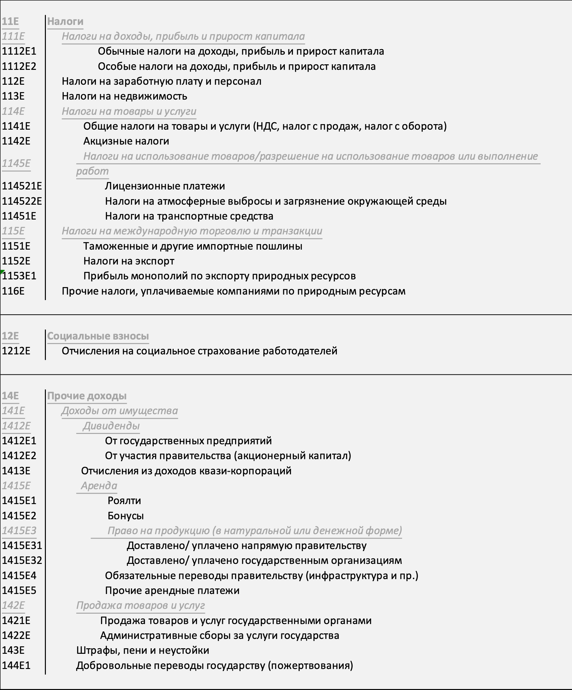
Taxes on property (113E) | Not applicable | Property tax on property of legal entities and individual entrepreneurs | Revenue authority | 76,542,297,000.00 | KZT
Taxes on property (113E) | Not applicable | Land tax | Revenue authority | 3,092,927,000.00 | KZT
Motor vehicle taxes (11451E) | Not applicable | Tax on motor vehicles fromlegal entities | Revenue authority | 643,091,000.00 | KZT
General taxes on goods and services (VAT, sales tax, turnover tax) (1141E) | Not applicable | Value added tax, incl. | Revenue authority | 160,803,260,000.00 | KZT
Other taxes payable by natural resource companies (116E) | Not applicable | Other tax revenues, incl.incl. | Revenue authority | 64,400,000.00 | KZT
Extraordinary taxes on income, profits and capital gains (1112E2) | Mining | Excess profits tax, excluding revenues from oil companiesexcluding revenues from the oil sector | Revenue authority | 370,315,000.00 | KZT
Extraordinary taxes on income, profits and capital gains (1112E2) | Oil | Tax on excess profits fromOrganisations of the oil sector | Revenue authority | 102,069,165,000.00 | KZT
Bonuses (1415E2) | Oil | Bonuses, excluding receipts from oil sector organisations | Revenue authority | 76,542,297,000.00 | KZT
Bonuses (1415E2) | Oil | Bonuses from oil sector organisationssector | Revenue authority | 5,945,741,000.00 | KZT
Extraordinary taxes on income, profits and capital gains (1112E2) | Mining | Mineral extraction tax, except for revenues from oil sector organisations | Revenue authority | 340,674,992,000.00 | KZT
Extraordinary taxes on income, profits and capital gains (1112E2) | Oil | Mineral extraction tax from oil sector organisations | Revenue authority | 337,819,393,000.00 | KZT
Other rent payments (1415E5) | Mining | Rent tax on exports, excluding revenues from oil sector organisationsexcluding revenues from oil sector organisations | Revenue authority | 8,835,638,000.00 | KZT
Other rent payments (1415E5) | Oil | Rent tax on exports fromoil sector organisations | Revenue authority | 428,968,864,000.00 | KZT
Delivered/paid directly to government (1415E31) | Oil | Share of the Republic of Kazakhstan onProduction sharing under concluded contracts from oil sector organisations | Revenue authority | 591,486,986,000.00 | KZT
 |  | Additional payment of the subsoil user,operating under a production sharing contract, from oil sector organisations |  | 847,962,000.00 | KZT
Other rent payments (1415E5) | Not applicable | Fee for the use of specially protected natural territories of republican | Revenue authority | 38766000 | KZT
Other rent payments (1415E5) | Not applicable | Fee for the use of land plotsplots | Revenue authority | 7,272,693,000.00 | KZT
Emission and pollution taxes (114522E) | Not applicable | Payment for emissions into the environment | Revenue authority | 55,497,051,000.00 | KZT
Other rent payments (1415E5) | Not applicable | Payment for reimbursement of historical costs | Revenue authority | 10,327,431,000.00 | KZT
Other rent payments (1415E5) | Not applicable | Fee for the use ofradio frequency spectrum | Revenue authority | 99,143,000.00 | KZT
Other rent payments (1415E5) | Not applicable | Payment for the use of water resources | Revenue authority | 454,599,000.00 | KZT
Other rent payments (1415E5) | Not applicable | Fee for forest use | Revenue authority | 2,121,000.00 | KZT
Compulsory transfers to government (infrastructure and other) (1415E4) | Not applicable | Funds received fromnatural resource users on claims for damage compensation, except for receipts from oil sector organisationsoil sector organisations | Revenue authority | 1,754,905,000.00 | KZT
Fines, penalties, and forfeits (143E) | Not applicable | Administrative fines, penalties,penalties, sanctions, penalties imposed by central state bodies, their territorial subdivisions, on oil sector organisations | Revenue authority | 6,022,956,000.00 | KZT
Fines, penalties, and forfeits (143E) | Not applicable | Other fines, penalties, sanctions,penalties imposed bystate institutions financed from thethe republican budget, onorganisations of the oil sector | Revenue authority | 9,189,903,000.00 | KZT
Compulsory transfers to government (infrastructure and other) (1415E4) | Not applicable | Funds received from users of natural resources under claims for damage compensation by oil sector organisations | Revenue authority | 1,843,029,000.00 | KZT
Delivered/paid directly to government (1415E31) | Not applicable | Other non-tax revenues to the republican budget, except for receipts fromorganisations of the oil sector | Revenue authority | 50,004,733,000.00 | KZT
Delivered/paid directly to government (1415E31) | Not applicable | Other non-tax revenues to the local budget | Revenue authority | 2,244,690,000.00 | KZT
Delivered/paid directly to government (1415E31) | Oil | Other non-tax revenues from organisations of the oil sector | Revenue authority | 505,000.00 | KZT
Compulsory transfers to government (infrastructure and other) (1415E4) | Not applicable | Contributions of subsoil users tosocio-economic development of the region and the development of its infrastructure | Revenue authority | 16,037,606,000.00 | KZT
Customs and other import duties (1151E) | Not applicable | Import customs duties | Revenue authority | 10,114,205,000.00 | KZT
Customs and other import duties (1151E) | Not applicable | Customs duties on exportedgoods | Revenue authority | 164,000.00 | KZT
Customs and other import duties (1151E) | Oil | Export customs duties oncrude oil | Revenue authority | 1,150,996,197,000.00 | KZT
Customs and other import duties (1151E) | Oil | Export customs duties on goods produced from crude oil | Revenue authority | 14,000,000,000.00 | KZT
Customs and other import duties (1151E) | Not applicable | Customs duties on imported goods and (or) import customs duties, the obligation to pay which arose before the entry into force of the Agreement on the Establishment and Application in the Customs Unionthe procedure for crediting and distribution of import customs duties (other duties, taxes and levies with equivalent effect)equivalent effect) | Revenue authority | 114,711,000.00 | KZT
Customs and other import duties (1151E) | Not applicable | Revenue from customs control and customs proceduresCustoms control and customs procedures | Revenue authority | 11,052,933,000.00 | KZT
Customs and other import duties (1151E) | Not applicable | Special protective,anti-dumping and countervailing duties | Revenue authority | 1,203,240,000.00 | KZT

 |  |  | Total in USD | 15,988,390,624.00

 |  |  | Total in KZT | 5,511,358,132,000.00

Additional information
Any additional information that is not eligible for inclusion in the table above, please include below as comments.

Comment 1
Comment 2
 | Sector | Revenue stream name |  | Government entity | Revenue value | Currency

Comment 3
Comment 4
Comment 5

For the latest version of Summary data templates, see https://eiti.org/summary-data-template
Give us your feedback or report a conflict in the data! Write to us at data@eiti.org

EITI International Secretariat
Тел.: +47 222 00 800 • Эл. почта: secretariat@eiti.org • Twitter: @EITIorg • www.eiti.org
Адрес: Rådhusgata 26, 0151 Oslo, Norway • P.O. Box: Postboks 340 Sentrum, 0101 Oslo, Norway (Норвегия)

