Introduction


 | Completed on: | YYYY-MM-DD

Summary data template for EITI disclosures
Version 2.0 as of 1 July 2019

Filling in this summary data template with EITI Report data will make your EITI Report data accessible in a machine-readable format. (requirement 7.2.d)
“Make the EITI Report available in an open data format (xlsx or csv) online and publicise its availability.” - EITI Requirement 7.1.c

How publishing EITI Report data works:
1. Use one excel workbook per fiscal year covered. If you are reporting on both oil & gas and mining, both can fit into one workbook.
2. Fill in the entire workbook - parts 1-5.
3. This Data sheet should be submitted alongside the EITI Report. Send it to the International Secretariat: data@eiti.org
4. The data will be used to populate the global EITI data repository, available on the international EITI website: https://eiti.org/data. You will receive the file back which will be fit for publication via the channels of your choice.

This template should be completed in full and submitted to the EITI International Secretariat for each fiscal year covered under EITI Reporting.

This workbook has five parts. Insert the data starting with part 1 and work your way through to part 5

Part 1 (About): Insert country and data characteristics.
Part 2 (Disclosure checklist): Fill in contextual and aggregate financial data for EITI Requirements 2, 3, 4, 5, and 6.
Part 3 (Reporting entities): Enter reporting entities (Government agencies, companies and projects) and related information.
Part 4 (Government revenues): Enter data on government revenues per revenue stream, according to GFS classification.
Part 5 (Company data): Enter company- and project-level data per revenue stream.

The International Secretariat can provide advice and support on request. Please contact data@eiti.org

Cells in orange must be completed before submission | Cells in light blue are for supplying sources and/or comments | White cells require no action

Cells in grey are for your information: You will receive immediate feedback on many of the data entries and some cells will fill in automatically.

Terminology: Disclosure | Terminology: Simple options
Yes, systematically disclosed: If data is regularly and publicly disclosed by government agencies or companies, and the data is reliable, please select Yes, systematically disclosed | Yes: All the aspects of the question are answered/covered.
Yes, through EITI reporting: If the EITI Report covers certain data gaps in government or corporate disclosures, please select "Yes, in EITI Report". | Partially:Aspects of the question have been answered/covered.
Not available: The data is applicable in the country, but no data or information is available. | No: No information is covered.
Not applicable: If a requirement is not relevant, please select "Not applicable". Refer to any evidence documented as part of the EITI Report, or through minutes of a multi-stakeholder meeting. | Not applicable: The question is not relevant for the case, When it is required, please refer to evidence of non-applicability.

For the latest version of Summary data templates, see https://eiti.org/summary-data-template
Give us your feedback or report a conflict in the data! Write to us at data@eiti.org

EITI International Secretariat
Phone: +47 222 00 800 • E-mail: secretariat@eiti.org • Twitter: @EITIorg • www.eiti.org
Address: Rådhusgata 26, 0151 Oslo, Norway • P.O. Box: Postboks 340 Sentrum, 0101 Oslo, Norway

Part 4 - Government revenues
Remember: Governments receipts from companies on behalf of their employees should be excluded (e.g personal income tax PAYE, employee social security contributions, withholding tax) because they are not considered payments from companies to government.
How to complete this sheet:
1. Введите название всех Потоков доходов правительства для добывающих секторов, включая доходы, которые ниже согласованных порогов существенности (одну строку следует использовать для каждого отдельного потока доходов и отдельного государственного субъекта)
2. Enter the name of the receiving Government entity (choose using the dropdown list. It will appear there since you have already entered the government entitiy in Part 3).
3. Выберите Сектор и Классификацию на основе Системы государственной финансовой статистики (GFS), к которым относится данный доход. Воспользуйтесь инструкциями, предоставленными в Системе GFS для отчетности ИПДО. Если поток доходов не может быть разукрупнен по секторам, выберите «Другое».
4. In the Revenue value column, enter total figure of each revenue stream as disclosed by government, including revenues that were not reconciled.
Помните: Не следует включать поступления, получаемые правительствами от компаний и выплачиваемые от имени их сотрудников (например, подоходный налог, взимаемый по мере поступления доходов, отчисления на социальное обеспечение сотрудников, налог на доход у источника выплаты), поскольку они не считаются платежами от компаний в адрес правительства.
5. If there are any payments which are in the EITI Report, but cannot be matched with the GFS categories, please list them in the box below called "Additional information".
If you have any questions, please contact data@eiti.org

Total government revenues from extractive sector (using GFS) |  |  |  |  |  | GFS Framework for EITI Reporting
 |  |  |  |  |  | EITI Requirement 5.1.b: Revenue classification
EITI Requirement 4.1.d: Full government disclosure
GFS Classification | Sector | Revenue stream name | Government entity | Revenue value | Currency | What is GFS?
Ordinary taxes on income, profits and capital gains (1112E1) | Oil | Корпоративный подоходный налог с юридических лиц организаций нефтяного сектора | Revenue authority | 433,185,715,920 | KZT
Social security employer contributions (1212E) | Not applicable | Социальный налог | Revenue authority | 126,488,036,650 | KZT
Taxes on property (113E) | Not applicable | Налог на имущество юр.лиц и индив. предпр-ей | Revenue authority | 77,354,904,460 | KZT
Licence fees (114521E) | Not applicable | Земельный налог | Revenue authority | 3,453,299,570 | KZT | For more guidance, please visit https://eiti.org/summary-data-template
Motor vehicle taxes (11451E) | Not applicable | Hалог на транспортные средства с юр.лиц | Revenue authority | 739,128,580 | KZT | or, https://www.imf.org/external/np/sta/gfsm/
General taxes on goods and services (VAT, sales tax, turnover tax) (1141E) | Not applicable | HДС на товары, импорт.на терр.РК, кр.НДС на товары, импорт.с терр.РФ и Республики Беларусь | Revenue authority | 35,522,610,060 | KZT
General taxes on goods and services (VAT, sales tax, turnover tax) (1141E) | Not applicable | Налог на доб. стоимость за нерезидента | Revenue authority | 16,948,283,280 | KZT
Extraordinary taxes on income, profits and capital gains (1112E2) | Oil | Налог на сверхприбыль от организаций нефтяного сектора | Revenue authority | 95,521,555,550 | KZT
Emission and pollution taxes (114522E) | Oil & Gas | Плата за пользов. водными ресурсами поверхностных источников | Revenue authority | 679,828,860 | KZT
Taxes on exports (1152E) | Oil | Рентный налог на экспорт от организаций нефтяного сектора | Revenue authority | 160,310,543,580 | KZT
Royalties (1415E1) | Mining | Налог на добычу полезных ископаемых от организаций нефтяного сектора | Revenue authority | 265,166,921,500 | KZT
Royalties (1415E1) | Mining | Налог на добычу полезных ископаемых, за искл.поступл.от организ. нефт.сект. | Revenue authority | 312,385,299,170 | KZT
Licence fees (114521E) | Not applicable | Плата за польз. зем. Участками | Revenue authority | 6,627,291,960 | KZT
Emission and pollution taxes (114522E) | Not applicable | Плата за негативное воздействие на окружающую среду | Revenue authority | 42,178,940,190 | KZT
Bonuses (1415E2) | Oil | Бонусы от организаций нефтяного сектора | Revenue authority | 2,683,640,960 | KZT
Royalties (1415E1) | Oil | Доля РК по разделу продукции по заключенным контрактам от организаций нефтяного сектора | Revenue authority | 422,475,726,850 | KZT
Other rent payments (1415E5) | Oil | Доп.платеж недропользователя, осуществляющего деятельность по контракту о разделе продукции, и альтернативный налог на недропользование от орг.нефт сектора | Revenue authority | 25,125,446,220 | KZT
Other rent payments (1415E5) | Not applicable | Прочие поступления от недропользователей | Revenue authority | 2,926,444,760 | KZT
Motor vehicle taxes (11451E) | Not applicable | Сбор за проезд автотр. ср-в по терр. РК | Revenue authority | 232,329,480 | KZT
Customs and other import duties (1151E) | Oil | Вывозн. тамож. пошл. на сырую нефть | Revenue authority | 581,937,872,120 | KZT
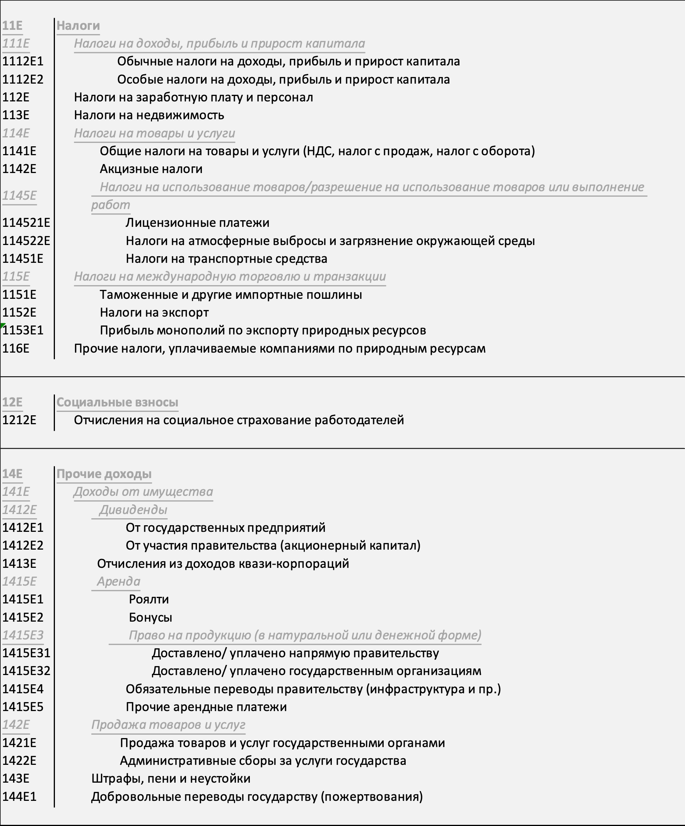
Customs and other import duties (1151E) | Oil | Вывозн. тамож. пошл. на товары, выработанные из нефти | Revenue authority | 995,827,670 | KZT

 |  |  |  | Total in USD | 6,327,496,421.819

 |  |  |  | Total in KZT | 2,612,939,647,390.00

Additional information
Any additional information that is not eligible for inclusion in the table above, please include below as comments.

Comment 1 | Please include comments here. PAYE and withholding taxes are not paid on behalf of companies and should therefore be excluded
Comment 2 | Insert additional rows as needed. E.g., the below table covers the excluded revenues
 | Sector | Revenue stream name |  | Government entity | Revenue value
 | Mining | Индивидуальный подоходный налог с доходов, облагаемых у источника выплаты |  | Revenue authority | 132,780,008,520
 | Total |  |  |  | 132,780,008,520.00
Comment 3 | Please include comments here.
Comment 4 | Please include comments here.
Comment 5 | Please include comments here.

For the latest version of Summary data templates, see https://eiti.org/summary-data-template
Give us your feedback or report a conflict in the data! Write to us at data@eiti.org

EITI International Secretariat
Тел.: +47 222 00 800 • Эл. почта: secretariat@eiti.org • Twitter: @EITIorg • www.eiti.org
Адрес: Rådhusgata 26, 0151 Oslo, Norway • P.O. Box: Postboks 340 Sentrum, 0101 Oslo, Norway (Норвегия)

